Instructions
Instructions
There are eight tabs in this workbook with content: 2 tabs with example data and 6 tabs for your data entry. The 2 tabs labeled “Race_Ethnicity EXAMPLE” and “Hispanic_Origin EXAMPLE” have values filled in so that you can see different Notes messages and how some sample data appear. Each of the six other data entry tabs represents a different subgroup: Race/Ethnicity, Hispanic Origin, Disability Category, Respondent Language, Poverty Level, and Time in Early Intervention. These are the tabs in which you will enter data for each subgroup and obtain calculated representativeness results. Each of these subgroups has an initial table for data entry followed by two analysis tables: the first table compares the number of families who responded to the survey to the number of families participating in Part C for each subgroup; the second table compares the number of families who responded to the survey to the number of families surveyed. Each table shows percentages and a Yes/No value for if that calculation is representative. | 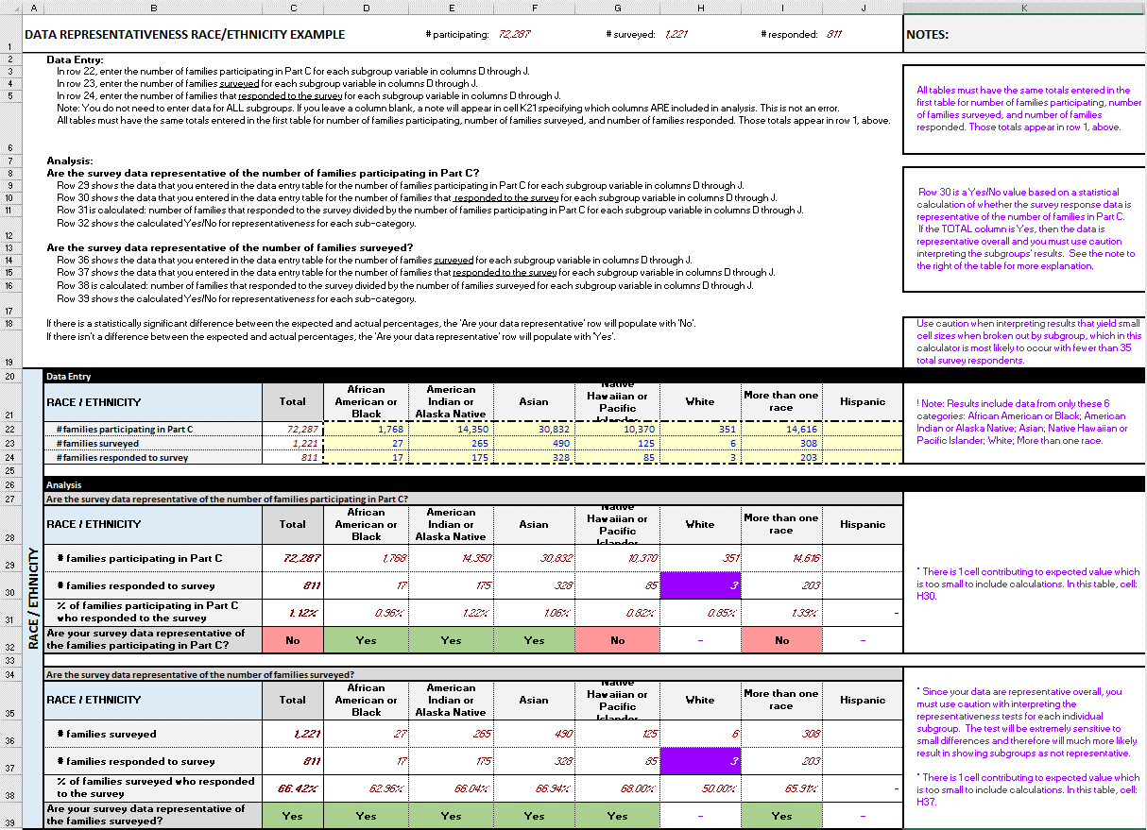 Image: Sample data entered into a Race/Ethnicity table to show various error messages and results.
Detailed information for data entry and interpretation are provided in rows 3-23 in the Race_Ethnicity tab. You can refer to these for all six subgroups. They are the same for all subgroups.
Data Entry
For each subgroup, enter data for the three rows: number of families participating in Part C, number of families surveyed, and number of families that responded to the survey. You do not need to enter values in every column. For example, if you do not include Hispanic in your Race/Ethnicity table, you may leave that column blank. You will notice text in the NOTES column that provides information about the columns you DID include. This is NOT an error, it is just information for your reference about what you have chosen to include in the table.
Number of families participating in Part C must remain consistent across all subgroups
The number of families participating in Part C that you enter for the Race/Ethnicity table is the reference point for all other tables. That is, as you enter the number of families participating in Part C for each Race/Ethnicity, a total number of families is shown in column C and also at the top of the page in cell F1. All other tables with their respective subgroups must have a total number of families participating in Part C equal to that total. If the totals do not match, the total for that subgroup will be highlighted with a red background and an error message will appear in the NOTES column (column L). | Image: Sample data entered into a Race/Ethnicity table
Number of families surveyed must remain consistent across all subgroups
The number of families surveyed that you enter for the Race/Ethnicity table is the reference point for all other tables. That is, as you enter the number of families surveyed for each Race/Ethnicity, a total number of families is shown in column C and also at the top of the page in cell H1. All other tables with their respective subgroups must have a total number of families surveyed equal to that total. If the totals do not match, the total for that subgroup will be highlighted with a red background and an error message will appear in the NOTES column (column L).
Number of families that responded to the survey must remain consistent across all subgroups
The number of families that responded to the survey that you enter for the Race/Ethnicity table is the reference point for all other tables. That is, as you enter the number of families that responded to the survey for each Race/Ethnicity, a total number of families is shown in column C and also at the top of the page in cell J1. All other tables with their respective subgroups must have a total number of families that responded to the survey equal to that total. If the totals do not match, the total for that subgroup will be highlighted with a red background and an error message will appear in the NOTES column (column L).
Analysis
For each subgroup there are two analysis tables: 1) the first table compares the number of families that responded to the survey to the number of families participating in Part C; 2) the second table compares the number of families that responded to the survey to the number of families that were surveyed.
Are the survey data representative of the number of families participating in Part C?
For each subgroup, the first analysis table compares the number of families that responded to the survey to the number of families participating in Part C. Values in the first two rows reference the data entered in the data entry section. Values in the third row are percentages: the number of families that responded to the survey divided by the number of families participating in Part C for each subgroup and overall. The fourth row displays a Yes or No for whether the survey response data is representative of the families participating in Part C. You can reference the Information tab for more details about how this information is calculated.
Note: if any subgroup is determined to have an expected value that is smaller than 5, the cell that contributed that value is highlighted in purple and a note appears in the NOTES column (column L). It is possible that the actual value highlighted might be greater than 5 but still be highlighted because in some of the hidden calculations it is determined that this value is expected to be less than 5. This is not an error message but information for you as to why that value is not included in the Yes/No determinations.
Note: if the data are representative OVERALL, that is, a Yes appears in the Total column (column C), then you should use caution when using the Yes/No values for the subcategories. A note explaining the caution appears in the NOTES column (column L). | Image: Table of calculated values and results based on sample data entered. An error message indicates that one of the categories has a value too small to include in the results.
Are the survey data representative of the number of families surveyed?
For each subgroup, the second analysis table compares the number of families that responded to the survey to the number of families surveyed. Values in the first two rows reference the data entered in the data entry section. Values in the third row are percentages: the number of families that responded to the survey divided by the number of families surveyed for each subgroup and overall. The fourth row displays a Yes or No for whether the survey response data is representative of the families surveyed. You can reference the Information tab for more details about how this information is calculated.
Note: if any subgroup is determined to have an expected value that is smaller than 5, the cell that contributed that value is highlighted in purple and a note appears in the NOTES column (column L). It is possible that the actual value highlighted might be greater than 5 but still be highlighted because in some of the hidden calculations it is determined that this value is expected to be less than 5. This is not an error message but information for you as to why that value is not included in the Yes/No determinations.
Note: if the data are representative OVERALL, that is, a Yes appears in the Total column (column C), then you should use caution when using the Yes/No values for the subcategories. A note explaining the caution appears in the NOTES column (column L). | Image: Table of calculated values and results based on sample data entered. One error message indicates that caution should used interpreting representativeness for subgroups because data is representative overall. Another error message indicates that one of the categories has a value too small to include in the results.
end of tab

